Test Summary
Everlight - Testing Summary Report

Release Criteria vs Actual
Defect Severity | Total | Resolved | Open | % Resolved | Criteria
Legacy Defects
Legacy Defects | 0 | 0 | 0 | #DIV/0! | 100%
Defects Found During Test Cycle
Fatal | 0 | 0 | 0 | #DIV/0! | 100%
Major | 0 | 0 | 0 | #DIV/0! | 100%
Minor | 1 | 0 | 1 | 0% | 70%
Cosmetic | 0 | 0 | 0 | #DIV/0! | 50%

Test Case Summary
Test Case Summary
Passed | 4
Failed | 1
Blocked | 0
Not Run | 0
Not Completed | 0
Total | 5
Execution Percentage | 100%

Builds Under Test
Build Description | Build Number | Date Received | Start Date | End Date | Comments

Environments/Platforms Under Test
Environments/Platforms Under Test |  | Comments
Edge and Chrome

Defect Summary
Jira Counts Grouped By Type
Defect | 63
New Feature | 0
Improvement | 6
Others | 3
Jira Counts Grouped By Type
Defect | 63
New Feature | 0
Improvement | 6
Others | 3
Jira Logged By Functional Group
Test | 53
Dev | 7
Others | 12
Jira Logged By Functional Group
Test | 53
Dev | 7
Others | 12
Everlight - Release 1.0 - Defect Summary

Defects Found by Severity
Defect Found by Staus
New Defects Found in the Test
Severity | Total | Resolved
Fatal | 0 | 0
Major | 0 | 0
Minor | 1 | 0
Cosmetic | 0 | 0
Priority | Total | Resolved
High | 1 | 0
Normal | 0 | 0
Low | 0 | 0
Status
Open | 1
Re-opened | 0
In Progress | 0
Defects Found by Priority
Defect Found by Resolution
Resolved | 0
Verified | 0
Closed | 0
Resolution
Fixed | 0
Do Not Fix | 0
Duplicate | 0
Need more information | 0
Cannot Reproduce | 0
Pending Outside Support | 0
Cannot Fix | 0
Future Candidate | 0

Defects Found by Priority
Legacy Defects to be fixed
Status | Resolved
Resolved | 0
Verified | 0
Closed | 0
Reopened | 0
Total | 0

Screenshots
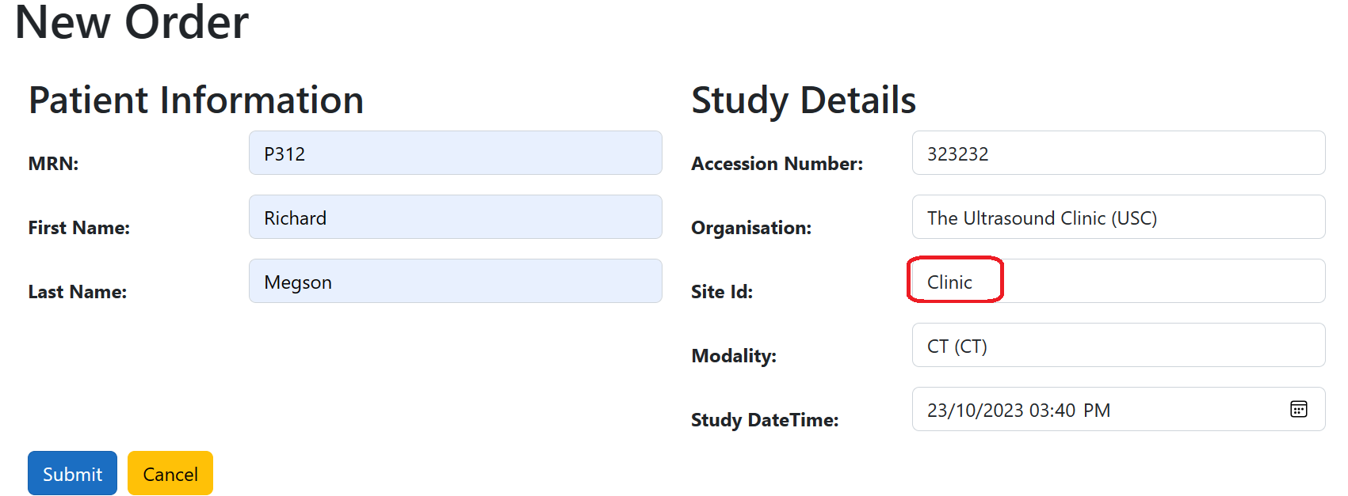
JIRA-0001:

